Hiearchy View
CLASS: GPS OSCILLATOR
a combination of a GPS receiver and a high-quality, stable oscillator such as a quartz or rubidium oscillator whose output is controlled to agree with the signals broadcast by GPS or other GNSS satellites. |  | 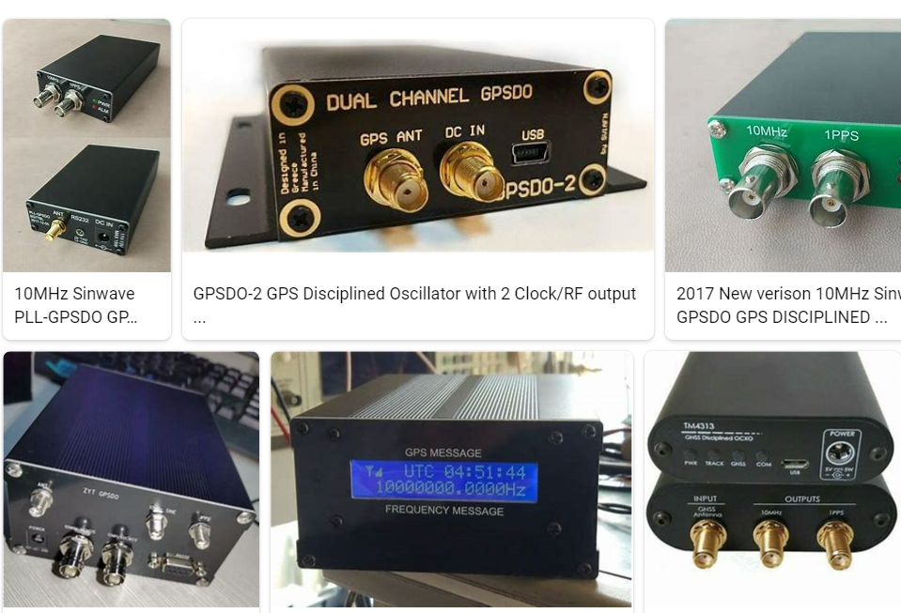
REMOVE | N

PROBLEM_DESC | CAUSE_DESC | REMEDY_DESC
ALARM/SENSOR
BROKEN/DAMAGED
OTHER PROBLEM
OVERHEATING
POWER-ELEC
STOPPED/SLOWED/POOR OPS
TEMP-CTRL
VIBRATION
Grand Total

